Dashboard
Total Sales
Total Orders
Total Profit
Average Rating

376278
465.4
120
3.878333

Total sales by Category |  |  | Top 5 Brands by Sales

Insight: Fragrance dominates the revenue |  |  | Insight: Sugar brand is the lead

 | Total
Mamaearth | 37676
Maybelline | 48896
Nykaa | 50173
Plum | 39924
Sugar | 52342
 | Total
Fragrance | 106724
Haircare | 100578
Makeup | 105869
Skincare | 63107
(blank)

 |  | Region which spends more based on brands slicer

 | Total
East | 10415
North | 1695
West | 706

Profit margin by Category |  |  | Growth over time

Insight: Some categories generate high revenue but poor Margins |  |  | Insight: The april Month has peaked in Growth

 | Total
Fragrance | 8.4
Haircare | 10.8
Makeup | 10.5
Skincare | 6.3
(blank)
 | Total
2024-01 | 14171
2024-02 | 25275
2024-03 | 40454
2024-04 | 46861
2024-05 | 44364
2024-06 | 12408
2024-07 | 25190
2024-08 | 44549
2024-09 | 24404
2024-10 | 39503
2024-11 | 26693
2024-12 | 32406
(blank)

Payment Method |  |  | Rating by sales

Insight: Debit card payemt is dominant followed by UPI |  |  | Insight: Rating does not affect the revenue as you see Low rating products only genertae more revenue

 | Total
High Rating | 162468
Low Rating | 213810
(blank)
 | Total
Cash on Delivery | 29
Credit Card | 24
Debit Card | 37
UPI | 30
(blank)

 | Catergories VS Revenue

 | Insight: Haircare sell more but earns less compared to makeup

 | Count of Order_ID | Sum of Total_Sales
Fragrance | 28 | 106724
Haircare | 36 | 100578
Makeup | 35 | 105869
Skincare | 21 | 63107
(blank)

Dashboard overview

Total profit
Total Sales
Total Orders

376278
465.4
120

 | Total
Cash on Delivery | 29
Credit Card | 24
Debit Card | 37
UPI | 30
(blank)
Total sales by category |  | Payment method | 1.Total sales by category
 |  |  | 2.Payment method
 |  |  | 3.Monthly revenue
 | Sum of Total_Sales | Count of Avg price per unit | Count of Order_ID
Fragrance | 106724 | 28 | 28
Haircare | 100578 | 36 | 36
Makeup | 105869 | 35 | 35
Skincare | 63107 | 21 | 21
(blank) |  | 91

 | Monthly revenue

 | Total
2024-01 | 14171
2024-02 | 25275
2024-03 | 40454
2024-04 | 46861
2024-05 | 44364
2024-06 | 12408
2024-07 | 25190
2024-08 | 44549
2024-09 | 24404
2024-10 | 39503
2024-11 | 26693
2024-12 | 32406
(blank)

Sales analysis
Sales by brand | Sales by region

 | Sum of Total_Sales | Sum of Profit
(blank)
Sugar | 52342 | 15702.6
Plum | 39924 | 11977.2
Nykaa | 50173 | 15051.9
Nivea | 35874 | 10762.2
Maybelline | 48896 | 14668.8
Mamaearth | 37676 | 11302.8
L'Oreal | 12816 | 3844.8
Lakme | 34096 | 10228.8
Dove | 35650 | 10695
Biotique | 28831 | 8649.3
 | Total
East | 10415
North | 1695
West | 706

Profit and revenue
 | Profit and Revenue

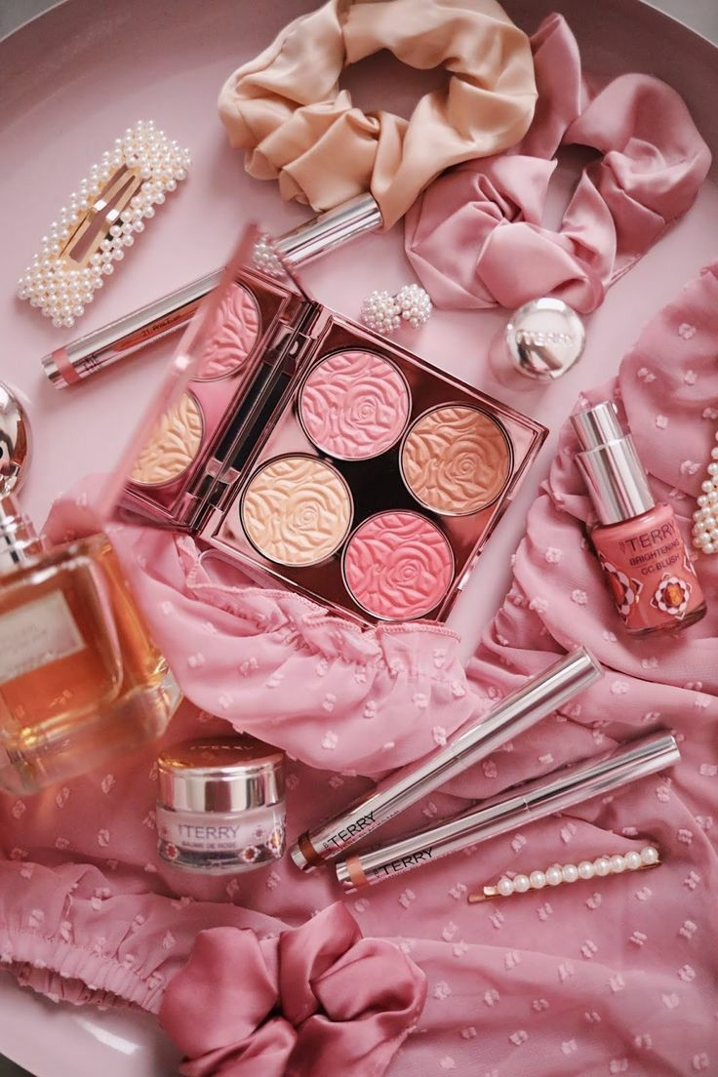
Profit by brand |  | Category vs Revenue | 1.Profit by brand
 |  |  | 2.Category vs revenue
 | Total
Fragrance | 8.4
Haircare | 10.8
Makeup | 10.5
Skincare | 6.3
(blank)
 | Count of Order_ID | Sum of Total_Sales
Fragrance | 28 | 106724
Haircare | 36 | 100578
Makeup | 35 | 105869
Skincare | 21 | 63107
(blank)

Coustomer insights
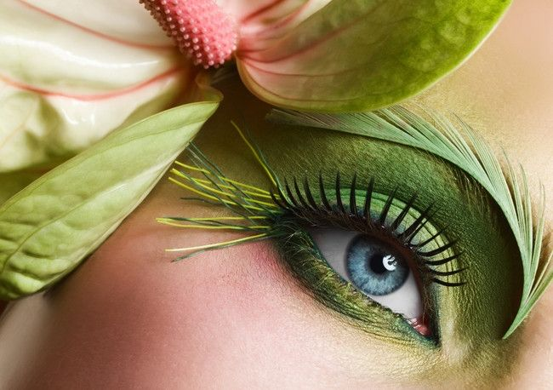
 | Coustomer Insights

Payment method by region |  |  | Rating by category | 1.Payment method by region
 |  |  |  | 2.Rating y category
 |  |  |  | 3.Count of rating
 | Count of Payment_Method | Count of Order_ID
East | 36 | 36
North | 24 | 24
South | 29 | 29
West | 31 | 31
(blank)
 | High Rating | Low Rating | (blank)
Fragrance | 10 | 18
Haircare | 13 | 23
Makeup | 16 | 19
Skincare | 10 | 11
(blank)

ent method by region
 |  |  |  |  | Payment method by region

 |  | Count of rating

 | Total
High Rating | 162468
Low Rating | 213810
(blank)

Pivot tables
 |  |  |  | Fragrance dominates the revenue
 | Total
Fragrance | 106724
Haircare | 100578
Makeup | 105869
Skincare | 63107
(blank)
Row Labels | Sum of Total_Sales
Fragrance | 106724
Haircare | 100578
Makeup | 105869
Skincare | 63107
(blank)
Grand Total | 376278

 |  |  |  | top 5 brands by sales

Row Labels | Sum of Total_Sales
Mamaearth | 37676
Maybelline | 48896
Nykaa | 50173
Plum | 39924
Sugar | 52342
Grand Total | 229011

 |  |  | which region spends more based on brands slicer

Row Labels | Sum of Total_Sales
East | 10415
North | 1695
West | 706
Grand Total | 12816

 |  |  |  | Growth over time

 | Total
2024-01 | 14171
2024-02 | 25275
2024-03 | 40454
2024-04 | 46861
2024-05 | 44364
2024-06 | 12408
2024-07 | 25190
2024-08 | 44549
2024-09 | 24404
2024-10 | 39503
2024-11 | 26693
2024-12 | 32406
(blank)
Row Labels | Sum of Total_Sales
2024-01 | 14171
2024-02 | 25275
2024-03 | 40454
2024-04 | 46861
2024-05 | 44364
2024-06 | 12408
2024-07 | 25190
2024-08 | 44549
2024-09 | 24404
2024-10 | 39503
2024-11 | 26693
2024-12 | 32406
(blank)
Grand Total | 376278

 |  |  | Debit card payemt is dominant followed by UPI

 | Total
Cash on Delivery | 29
Credit Card | 24
Debit Card | 37
UPI | 30
(blank)
Row Labels | Count of Order_ID
Cash on Delivery | 29
Credit Card | 24
Debit Card | 37
UPI | 30
(blank)
Grand Total | 120

Row Labels | Average of Total_Sales
2.5 | 1638
2.6 | 1603.25
2.7 | 3278
2.9 | 8670
3 | 1962.25
3.1 | 2946.125
3.2 | 2983.8333333
3.3 | 3867.25
3.4 | 2834.6666667
3.5 | 2810.1428571
3.6 | 2281.6666667
3.7 | 3571
3.8 | 1771.3333333
3.9 | 3402
4 | 3127.5
4.1 | 1447
4.2 | 1783.5
4.3 | 1752.6
4.4 | 4521
4.5 | 5659.6666667
4.6 | 3292
4.7 | 2940.6666667
4.8 | 3000.875
4.9 | 3786.4
5 | 4055.8
(blank)
Grand Total | 3135.65

 | Total
High Rating | 162468
Low Rating | 213810
(blank)
 |  |  | Rating does not affect the revenue as you see Low rating products only genertae more revenue
 |  |  | Because they have more orders
Row Labels | Sum of Total_Sales
High Rating | 162468
Low Rating | 213810
(blank)
Grand Total | 376278

 |  | Some categories generate high revenue but poor Margins
 | Total
Fragrance | 8.4
Haircare | 10.8
Makeup | 10.5
Skincare | 6.3
(blank)

Row Labels | Sum of Profit Margin
Fragrance | 8.4
Haircare | 10.8
Makeup | 10.5
Skincare | 6.3
(blank)
Grand Total | 36

 |  | Red-- High Sales ---- Dominance
 |  | Yellow--Low sales---- Weak Presence
Sum of Total_Sales | Column Labels
Row Labels | Fragrance | Haircare | Makeup | Skincare | (blank) | Grand Total
Biotique | 10254 | 11661 | 5356 | 1560 |  | 28831
Dove | 4895 | 9990 | 17232 | 3533 |  | 35650
Lakme | 13362 | 7109 | 13625 |  |  | 34096
L'Oreal | 294 | 5436 | 3786 | 3300 |  | 12816
Mamaearth | 15065 | 13438 | 1902 | 7271 |  | 37676
Maybelline | 11418 | 4054 | 20545 | 12879 |  | 48896
Nivea | 6478 | 15751 | 4755 | 8890 |  | 35874
Nykaa | 15550 | 8130 | 20876 | 5617 |  | 50173
Plum | 7370 | 6226 | 11824 | 14504 |  | 39924
Sugar | 22038 | 18783 | 5968 | 5553 |  | 52342
(blank)
Grand Total | 106724 | 100578 | 105869 | 63107 |  | 376278

 |  |  |  | Haircare sell more but earns less compared to makeup
 | Count of Order_ID | Sum of Total_Sales
Fragrance | 28 | 106724
Haircare | 36 | 100578
Makeup | 35 | 105869
Skincare | 21 | 63107
(blank)

Row Labels | Count of Order_ID | Sum of Total_Sales
Fragrance | 28 | 106724
Haircare | 36 | 100578
Makeup | 35 | 105869
Skincare | 21 | 63107
(blank)
Grand Total | 120 | 376278

 | Sum of Total_Sales | Count of Avg price per unit | Count of Order_ID
Fragrance | 106724 | 28 | 28
Haircare | 100578 | 36 | 36
Makeup | 105869 | 35 | 35
Skincare | 63107 | 21 | 21
(blank) |  | 91

Row Labels | Sum of Total_Sales | Count of Avg price per unit | Count of Order_ID
Fragrance | 106724 | 28 | 28
Haircare | 100578 | 36 | 36
Makeup | 105869 | 35 | 35
Skincare | 63107 | 21 | 21
(blank) |  | 91
Grand Total | 376278 | #DIV/0! | 120

 | Sum of Total_Sales | Sum of Profit
(blank)
Sugar | 52342 | 15702.6
Plum | 39924 | 11977.2
Nykaa | 50173 | 15051.9
Nivea | 35874 | 10762.2
Maybelline | 48896 | 14668.8
Mamaearth | 37676 | 11302.8
L'Oreal | 12816 | 3844.8
Lakme | 34096 | 10228.8
Dove | 35650 | 10695
Biotique | 28831 | 8649.3

 |  | Row Labels | Sum of Total_Sales | Sum of Profit
 |  | (blank)
 |  | Sugar | 52342 | 15702.6
 |  | Plum | 39924 | 11977.2
 |  | Nykaa | 50173 | 15051.9
 |  | Nivea | 35874 | 10762.2
 |  | Maybelline | 48896 | 14668.8
 |  | Mamaearth | 37676 | 11302.8
 |  | L'Oreal | 12816 | 3844.8
 |  | Lakme | 34096 | 10228.8
 |  | Dove | 35650 | 10695
 |  | Biotique | 28831 | 8649.3
 |  | Grand Total | 376278 | 112883.4

 | Count of Payment_Method | Count of Order_ID
East | 36 | 36
North | 24 | 24
South | 29 | 29
West | 31 | 31
(blank)

Row Labels | Count of Payment_Method | Count of Order_ID
East | 36 | 36
North | 24 | 24
South | 29 | 29
West | 31 | 31
(blank)
Grand Total | 120 | 120

 | Sum of Total_Sales | Sum of Profit | Count of Order_ID
Apr-2024 | 46861 | 14058.3 | 13
Aug-2024 | 44549 | 13364.7 | 10
Dec-2024 | 32406 | 9721.8 | 12
Feb-2024 | 25275 | 7582.5 | 7
Jan-2024 | 14171 | 4251.3 | 6
Jul-2024 | 25190 | 7557 | 7
Jun-2024 | 12408 | 3722.4 | 5
Mar-2024 | 40454 | 12136.2 | 14
May-2024 | 44364 | 13309.2 | 15
Nov-2024 | 26693 | 8007.9 | 10
Oct-2024 | 39503 | 11850.9 | 13
Sep-2024 | 24404 | 7321.2 | 8
(blank)

 |  | Row Labels | Sum of Total_Sales | Sum of Profit | Count of Order_ID
 |  | Apr-2024 | 46861 | 14058.3 | 13
 |  | Aug-2024 | 44549 | 13364.7 | 10
 |  | Dec-2024 | 32406 | 9721.8 | 12
 |  | Feb-2024 | 25275 | 7582.5 | 7
 |  | Jan-2024 | 14171 | 4251.3 | 6
 |  | Jul-2024 | 25190 | 7557 | 7
 |  | Jun-2024 | 12408 | 3722.4 | 5
 |  | Mar-2024 | 40454 | 12136.2 | 14
 |  | May-2024 | 44364 | 13309.2 | 15
 |  | Nov-2024 | 26693 | 8007.9 | 10
 |  | Oct-2024 | 39503 | 11850.9 | 13
 |  | Sep-2024 | 24404 | 7321.2 | 8
 |  | (blank)
 |  | Grand Total | 376278 | 112883.4 | 120

 | High Rating | Low Rating | (blank)
Fragrance | 10 | 18
Haircare | 13 | 23
Makeup | 16 | 19
Skincare | 10 | 11
(blank)

 |  | Count of Customer_Rating | Column Labels
 |  | Row Labels | High Rating | Low Rating | (blank) | Grand Total
 |  | Fragrance | 10 | 18 |  | 28
 |  | Haircare | 13 | 23 |  | 36
 |  | Makeup | 16 | 19 |  | 35
 |  | Skincare | 10 | 11 |  | 21
 |  | (blank)
 |  | Grand Total | 49 | 71 |  | 120

 | Row Labels | Sum of Profit
 | 244 | 219.6
 | 250 | 150
 | 266 | 239.4
 | 273 | 409.5
 | 281 | 421.5
 | 290 | 261
 | 294 | 88.2
 | 339 | 508.5
 | 346 | 207.6
 | 351 | 421.2
 | 353 | 211.8
 | 367 | 550.5
 | 416 | 499.2
 | 417 | 625.5
 | 428 | 385.2
 | 436 | 130.8
 | 447 | 268.2
 | 461 | 553.2
 | 468 | 1263.6
 | 485 | 727.5
 | 508 | 304.8
 | 521 | 156.3
 | 537 | 161.1
 | 571 | 513.9
 | 588 | 352.8
 | 593 | 889.5
 | 632 | 189.6
 | 649 | 778.8
 | 653 | 587.7
 | 655 | 786
 | 676 | 405.6
 | 709 | 212.7
 | 762 | 457.2
 | 766 | 919.2
 | 769 | 1153.5
 | 771 | 231.3
 | 777 | 699.3
 | 813 | 1219.5
 | 819 | 491.4
 | 836 | 501.6
 | 868 | 1041.6
 | 882 | 1058.4
 | 891 | 801.9
 | 896 | 1075.2
 | 897 | 1076.4
 | 932 | 279.6
 | 978 | 1760.4
 | 979 | 1468.5
 | 981 | 1177.2
 | 990 | 1188
 | 1016 | 609.6
 | 1067 | 960.3
 | 1078 | 1617
 | 1089 | 1633.5
 | 1097 | 987.3
 | 1114 | 668.4
 | 1135 | 681
 | 1212 | 1454.4
 | 1220 | 732
 | 1243 | 745.8
 | 1261 | 756.6
 | 1280 | 1152
 | 1287 | 772.2
 | 1291 | 1161.9
 | 1304 | 782.4
 | 1311 | 1179.9
 | 1337 | 1604.4
 | 1342 | 402.6
 | 1353 | 2029.5
 | 1380 | 2070
 | 1385 | 415.5
 | 1396 | 418.8
 | 1402 | 2103
 | 1403 | 1262.7
 | 1404 | 421.2
 | 1447 | 434.1
 | 1460 | 876
 | 1499 | 449.7
 | 1506 | 903.6
 | 1532 | 2298
 | 1549 | 929.4
 | 1554 | 2331
 | 1560 | 468
 | 1599 | 2398.5
 | 1610 | 1932
 | 1614 | 2421
 | 1628 | 976.8
 | 1632 | 1958.4
 | 1636 | 2454
 | 1694 | 508.2
 | 1698 | 509.4
 | 1718 | 1030.8
 | 1723 | 1033.8
 | 1727 | 2072.4
 | 1729 | 1037.4
 | 1734 | 3121.2
 | 1743 | 522.9
 | 1763 | 1057.8
 | 1782 | 534.6
 | 1788 | 1609.2
 | 1802 | 1621.8
 | 1809 | 2170.8
 | 1841 | 1104.6
 | 1846 | 1107.6
 | 1847 | 554.1
 | 1866 | 2239.2
 | 1918 | 1150.8
 | 1926 | 1733.4
 | 1942 | 2330.4
 | 1947 | 2336.4
 | 1960 | 588
 | 1975 | 1185
 | 1990 | 1791
 | 1999 | 1799.1
 | 2000 | 600
 | (blank)
 | Grand Total | 112883.4

